11C_LSN3172176(compound)
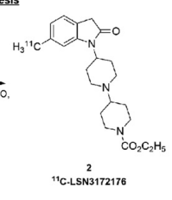
Structures
Property name | Property Value
trivial name | 11C_LSN3172176
DOI | 10.2967/jnumed.118.222034
Molecular formula | C2111CH31N3O3

Chemical and Physical Properties | Calculated by ChemDraw(ver22.2.0)
Property name | Property Value
Molecular weight | 384.51 |  |  | No. of Nitrogen and Oxygen Atoms: 6
XlogP3 | 2.73 |  |  | No. of Rings: 4
Hydrogen Bond Donar Count | 0
Hydrogen Bond Acceptor Count | 2
Rotatable Bond Count | 5
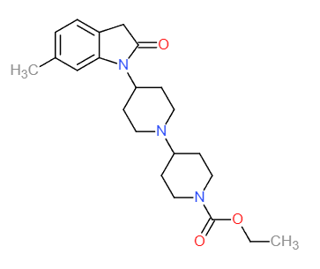
Exact Mass | 384.25
Monoisotopic Mass | 384.25
Topological Polar Surface Area | 53.09
Heavy Atom Count | 28
Formal Charge | 0
Complexity
Isotope Atom Stereocentor
Defined Atom Stereocenter Count
Undefined Atom Stereocenter Count
Defined Bond Stereocenter Count
Undefined Bond Stereocenter Count
Covalently-Bonded Unit Count
Compound Is Canonicalized

BioAssay Results
Activity Value, µM | Activity Type | BioAssay Name | BioAssay AID | Substance SID | DOI (References other than Pubchem)
 |  |  |  |  | 10.2967/jnumed.120.246967

